2. Evaluate your risks
Tennis Risk Assessment Part 2 - Evaluate your risks

Matrix (heat map)

Definitions
Likelihood |  | Consequence
High | • It is expected to occur in most circumstances • There is a strong likelihood of the hazard reoccurring | Catastrophic | • Multiple of single death • Catastrophic cost to the venue as the result of an incident • National & International media outrage
Significant | • Similar hazards have been recorded on a regular basis • Considered that it is likely that the hazard could occur | Major | • Serious illness for multiple persons / permanent disability • Major cost to the venue as the result of an incident • National media outrage
Moderate | • Incidents or hazards have occurred infrequently in the past | Moderate | • 10+ days rehabilitation required for injured persons • Moderate cost to the venue as the result of an incident • Local media & community concern
Low | • Very few incidents of occurrence • Has not occurred yet, but it could occur sometime | Low | • Injury to person resulting in lost time and claims • Low cost to the venue as the result of an incident • Minor isolated concerns raised by stakeholders, users
Negligible | • No known or recorded incidents of occurrence • Remote chance, may only occur in exceptional circumstances | Negligible | • Persons requiring first aid • Negligible cost to the venue as the result of an incident • Minimum impact to reputation
Hierarchy of Controls
Type | Description
Elimination | Remove or stop the hazard by removing the cause / source or eliminating the machine, task or work process
Substitution | Use a less hazardous process
Engineering | Introduce enclosures / barriers around or between the hazard
Isolation | Separate or isolate the hazard or equipment by relocation or changing the operation
Administrative | Design and communicate written or verbal procedures that prevent the hazard from occurring
Equipment | Provide protective equipment appropriate to the risk

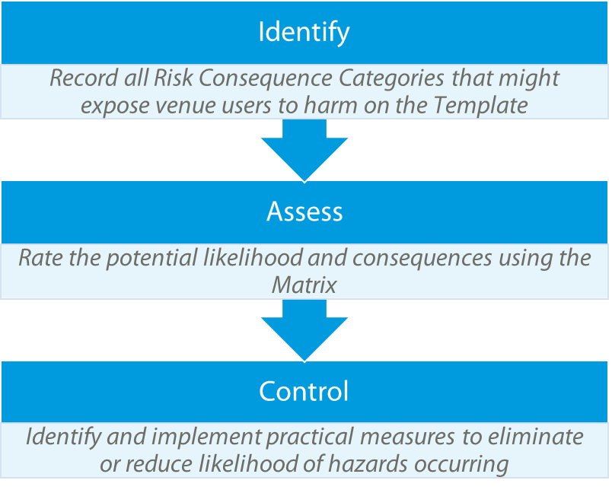
3 Steps to Complete your Risk Assessment
1) Use the Template to select all Risk Consequence Categories that could be linked to hazardous or adverse situations if not managed.
2) Evaluate your risks to assess potential likelihood and consequence of possible incidents. To assist this process use the Definitions to assess consequences appropriate for the size of your organisation / business / club.
3) Identify controls to mitigate or eliminate your risks. Hints & Tips are provided to assist with identifying appropriate controls for each area.

4. Template
Tennis Risk Assessment Part 4 - Assessment

 |  | Name of Club / Operator / Business:
 |  | Venue:
 |  | Assessed by:
 |  | Role:
NOTICE
© Tennis Australia Limited 2017.
These materials have been developed by Tennis Australia for the use of Tennis Australia’s affiliated venue operators. This is a non-exhaustive, general resource, designed to complement the user’s own professional knowledge. Tennis Australia highly recommends that each user refers to local legislation and consults with independent professional advisors to assist with risk management.
Care has been taken in the preparation of these materials; however Tennis Australia does not accept any responsibility for loss, damage or injury caused directly or indirectly by, or in connection with, any action, instruction or suggestion in these materials.
 |  | Date of Assessment:
 |  | Approved by:
 |  | Review Date:
How to use this template:
1) Select your risks via subject column (Context)
Use the drop down box to select the risks applicable to your venue
2) Rate your Risks (Risk Rating)
Use the drop down boxes to identify the potential likelihood and consequence of this occurring
3) Mitigate or Eliminate your Risks (Existing or New Controls)
Identify controls to reduce or eliminate the risk occurring and document actions that are already taking place
Legend:
= Compulsory field
= Drop down box
= Automated
= Free text

 | 1) Context |  |  | 0 | 2) Risk Rating |  |  | 3) Existing or New Controls
No. | Risk consequence category | Risk description | Possible outcomes | specific outcomes | Likelihood | Consequence | Ranking | 1 | 2 | 3 | Hints & Tips
1 | Insurance | The venue / facility or club is not adequately insured to protect its assets | • Negligence claims (e.g. personal injury or decisions made) • Criminal liability – including claims for sexual offences • Discrimination and harassment • Occupier’s liability • Work Health and Safety • Employment liability (e.g. unfair dismissals) |  |  |  |  |  |  |  | • Annual reviews
2 | Admin - Finance | Inadequate financial management including transparency, record keeping, budgeting, accounting and audits | • Incorrect payment of employees • Inadequate control of invoice payments • Dependency on one source of revenue • No distinction between general and specific reserves • Pay-out of damages claims • Penalties and fines • Incorrect payment of taxes • Unstainable financial viability |  |  |  |  |  |  |  | • Education • Online payments and bookings • Sinking fund and sufficient periodic contributions • Policies and procedures • Audits • Secondary income streams • Cash handling policy
3 | Behaviour | Behaviour at the venue could be considered negative, undesirable, unlawful, unethical | • People experience harassment, bullying or discrimination • Actual or potential harm to: - Integrity of the sport - Reputation of the club - Beliefs of stakeholders |  |  |  |  |  |  |  | • CCTV • Education • Disclaimers for users • Policies and procedures (e.g. Grievance procedure)
4 | Admin - Processes | Inadequate or poor administration of facility operations and clubs affairs | • Poorly kept or no recorded information • Inefficient processes and procedures • Not meeting legal requirements • Lack of transparency and management of risk • Contracts for services undocumented |  |  |  |  |  |  |  | • Documented contracts • Policies and procedures • Administrator
5 | Children (supervision) | Children could be inadequately supervised leading to injury or illness | • Lost child • Personal injury or illness • Risk of injury from third party |  |  |  |  |  |  |  | • Policies and procedures • Attendance Registers • Working With Children Checks • Mandatory sign in & out registers • Enrolment forms • Permission slips
6 | Admin - Data protection | Inadequate protection of member and organisational sensitive information | • Detrimental impact on reputation and stakeholder relationships • Breaches in data protection • Sensitive information accessible by third parties |  |  |  |  |  |  |  | • Professional advice (e.g. accountant) • Education • Audits • Annual Operational Health Check • Policies and procedures • Register with Member Association • Insurance • Regular reporting
7 | Allergies | A person could have a anaphylactic or hypersensitive reaction (allergic reaction) to a product or substance. | • Product sold or used could lead to injury, illness or loss of life • Products supplied by third parties could lead to injury, illness or loss of life |  |  |  |  |  |  |  | • Waiver forms • Contact details and information • Emergency alarms • First aid kits
8 | Attire | There is a risk that visitors to the facility do not wear appropriate attire | • Incorrect footwear on courts causing personal injury or damage • Breach of venue / facility dress code |  |  |  |  |  |  |  | • Signage • Disclaimers for users • Communication • Instructions and education • Uniform
9 | Behaviour | Behaviour at the venue could be considered negative, undesirable, unlawful, unethical | • People experience harassment, bullying or discrimination • Actual or potential harm to: - Integrity of the sport - Reputation of the club - Beliefs of stakeholders |  |  |  |  |  |  |  | • CCTV • Education • Disclaimers for users • Policies and procedures (e.g. Grievance procedure)
10 | Children (engagement) | Children become disengaged with Tennis through an act or omission of the venue operator or club | • Discouraging coaching techniques • Lack of diversity in programming • Mental health impact (e.g. anxiety, depression, low self esteem) • Inadequate or low standard facilities • Uninspiring culture |  |  |  |  |  |  |  | • Communication • Contact details & information • TA programs (Hot Shots) • Mentoring and role models
11 | Children (supervision) | Children could be inadequately supervised leading to injury or illness | • Lost child • Personal injury or illness • Risk of injury from third party |  |  |  |  |  |  |  | • Policies and procedures • Attendance Registers • Working With Children Checks • Mandatory sign in & out registers • Enrolment forms • Permission slips
12 | Coaches | There is a risk the coaches will not have the skills, qualifications and attributes to do the job, or act in an unprofessional manner | • Negative or inappropriate behaviour (e.g. physical, emotional) • Ineffective communication and delivery of services • Incorrect coaching leading to injury or poor performance • Unprofessional conduct (e.g. dress code, time management) • Negative relationship with stakeholders (e.g. club) • Nonadherence to contracts and lack of accountability |  |  |  |  |  |  |  | • Qualifications • Waiver forms • Background & police checks • Registered with Member Association • Professional development, mentoring & peer reviews
13 | Community Access | There is a risk of actual or perceived exclusivity of the facilities, restricting access by all members of the community | • Unwelcoming signage / shop front • Participation unaffordable to some members of the community • Venue inaccessible for people with a disability • Loss of potential revenue from additional user groups |  |  |  |  |  |  |  | • Community hire • Accessible to non-members • Electronic gate access • Shared-use agreements (e.g. other sports clubs) • Annual open day • Accessibility (e.g. ramps, railings) • Wayfinding / signage
14 | Community Access | There is a risk of actual or perceived exclusivity of the facilities, restricting access by all members of the community | • Unwelcoming signage / shop front • Participation unaffordable to some members of the community • Venue inaccessible for people with a disability • Loss of potential revenue from additional user groups |  |  |  |  |  |  |  | • Community hire • Accessible to non-members • Electronic gate access • Shared-use agreements (e.g. other sports clubs) • Annual open day • Accessibility (e.g. ramps, railings) • Wayfinding / signage
15 | Courts (artificial and acrylic) | The playing surface(s) could be unfit for play and / or cause injury or illness if not maintained or used correctly | • Slips, trips and falls (particularly when wet) • Personal injury due to: - Slippery, cracked or uneven surfaces - Debris (e.g. leaves, sand, foreign materials) - Exposed objects - Poor storage (e.g. squeegees handing on fences) • Damage to playing surface • Irregular maintenance |  |  |  |  |  |  |  | • Maintenance • Signage • Provision of equipment (e.g. brooms) • Infrastructure (e.g. wind breaks) • Professional contractors for maintenance
16 | Courts (grass) | The playing surface(s) could be unfit for play and / or cause injury or illness if not maintained or used correctly | • Slips, trips and falls • Weather impacts playability • Manual handling of court covers • Playability of grass throughout all seasons • Damage to the playing surface • Costly surface maintenance • Insufficient irrigation or drainage |  |  |  |  |  |  |  | • Signage • Policies and procedures • Correct footwear (e.g. 'Herringbone sole') • Infrastructure (e.g. skirting around fencing) • Maintenance • Provision of equipment (e.g. drag mats) • Professional contractors for maintenance
17 | Courts (clay) | The playing surface(s) could be unfit for play and / or cause injury or illness if not maintained or used correctly | • Personal injury due to: - Uneven surfaces (e.g. pot holes) - Debris (e.g. leaves, sand, foreign materials) - Exposed objects (e.g. sprinkler heads) • High maintenance costs • Damage to surface • Insufficient irrigation or drainage |  |  |  |  |  |  |  | • Signage • Policies and procedures • Replacement • Professional contractors for maintenance • Provision of equipment (e.g. drag mats) • Consultation with other clay court facilities
18 | Courts (infrastructure) | The court infrastructure could be unfit for play and / or cause injury or illness | • Personal injury due to: - Slippery, cracked or uneven surfaces - Debris (e.g. leaves, sand, foreign materials) - Exposed objects (e.g. net winders) • High maintenance costs • Damage to nets, net posts, lights, fencing |  |  |  |  |  |  |  | • Signage and education • Policies and procedures • Asset Management Plan • Professional contractors for maintenance • Facility Condition Audit
...

5. Blank Register
Tennis Risk Assessment

 |  | Name of Club / Operator / Business: | 0
 |  | Venue: | 0
 |  | Assessed by: | 0
 |  | Role: | 0
 |  | Date of Assessment: | 0
 |  | Approved by: | 0
 |  | Review Date: | 0
How to use this template:
1) Identify your risks (Context)
Name your risk categories, provideing a description and possible outcomes
2) Rate your Risks (Risk Rating)
Using the drop down boxes, identify the potential likelihood and consequence of this occurring
3) Mitigate or Eliminate your Risks (Existing or New Controls)
Identify controls to reduce or eliminate the risk occurring and document actions that are already taking place
Legend:
= Compulsory field
= Drop down box
= Automated
= Free text

 | 1) Context |  |  | 0 | 2) Risk Rating |  |  | 3) Existing or New Controls
No. | Risk consequence category | Risk description | Possible outcomes | specific outcomes | Likelihood | Consequence | Ranking | 1 | 2 | 3
1
2
3
4
5
6
7
8
...

