2. Evaluate your risks
Event Risk Assessment Part 2 - Evaluate your risks

Matrix (heat map)

Definitions
Likelihood |  | Consequence
High | • It is expected to occur in most circumstances • There is a strong likelihood of the hazard reoccurring | Catastrophic | • Multiple of single death • Catastrophic cost to the venue as the result of an incident • National & International media outrage
Significant | • Similar hazards have been recorded on a regular basis • Considered that it is likely that the hazard could occur | Major | • Serious illness for multiple persons / permanent disability • Major cost to the venue as the result of an incident • National media outrage
Moderate | • Incidents or hazards have occurred infrequently in the past | Moderate | • 10+ days rehabilitation required for injured persons • Moderate cost to the venue as the result of an incident • Local media & community concern
Low | • Very few incidents of occurrence • Has not occurred yet, but it could occur sometime | Low | • Injury to person resulting in lost time and claims • Low cost to the venue as the result of an incident • Minor isolated concerns raised by stakeholders, users
Negligible | • No known or recorded incidents of occurrence • Remote chance, may only occur in exceptional circumstances | Negligible | • Persons requiring first aid • Negligible cost to the venue as the result of an incident • Minimum impact to reputation
Hierarchy of Controls
Type | Description
Elimination | Remove or stop the hazard by removing the cause / source or eliminating the machine, task or work process
Substitution | Use a less hazardous process
Engineering | Introduce enclosures / barriers around or between the hazard
Isolation | Separate or isolate the hazard or equipment by relocation or changing the operation
Administrative | Design and communicate written or verbal procedures that prevent the hazard from occurring
Equipment | Provide protective equipment appropriate to the risk

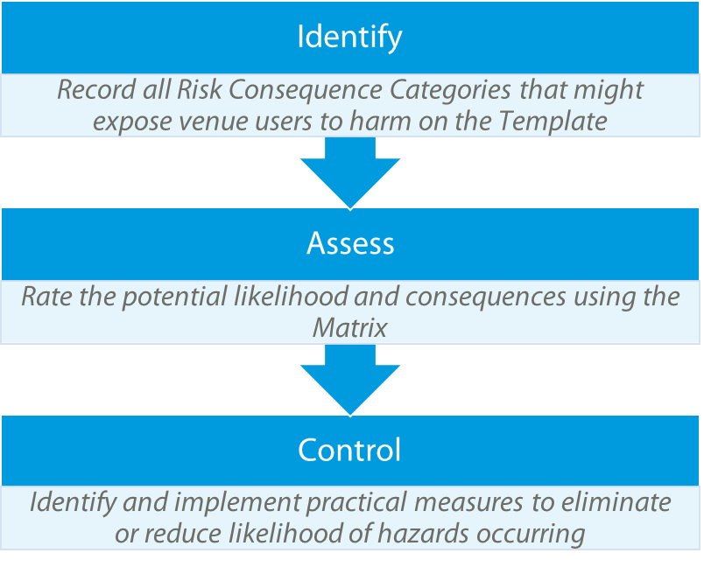
3 Steps to Complete your Risk Assessment
1) Use the Template to select all Risk Consequence Categories that could be linked to hazardous or adverse situations if not managed.
2) Evaluate your risks to assess potential likelihood and consequence of possible incidents. To assist this process use the Definitions to assess consequences appropriate for the size of your organisation / business / club.
3) Identify controls to mitigate or eliminate your risks. Hints & Tips are provided to assist with identifying appropriate controls for each area.

3. Example Template
Event Risk Assessment Part 3 - Assessment

 |  | Name of Event:
 |  | Venue:
 |  | Assessed by:
 |  | Role:
NOTICE
© Tennis Australia Limited 2017.
These materials have been developed by Tennis Australia for the use of Tennis Australia’s affiliated venue operators. This is a non-exhaustive, general resource, designed to complement the user’s own professional knowledge. Tennis Australia highly recommends that each user refers to local legislation and consults with independent professional advisors to assist with risk management.
Care has been taken in the preparation of these materials; however Tennis Australia does not accept any responsibility for loss, damage or injury caused directly or indirectly by, or in connection with, any action, instruction or suggestion in these materials.
 |  | Date of Assessment:
 |  | Approved by:
 |  | Review Date:
How to use this template:
1) Select your risks via subject column (Context)
Select the risks applicable to your venue
2) Rate your Risks (Risk Rating)
Use the drop down boxes to identify the potential likelihood and consequence of this occurring
3) Mitigate or Eliminate your Risks (Existing or New Controls)
Identify controls to reduce or eliminate the risk occurring and document actions that are already taking place
Legend:
= Compulsory field
= Drop down box
= Automated
= Free text

 | 1) Context |  |  | 0 | 2) Risk Rating |  |  | 3) Existing or New Controls
No. | Risk consequence category | Risk description | Possible outcomes | specific outcomes | Likelihood | Consequence | Ranking | 1 | 2 | 3 | Hints & Tips
1 | Serious illness / Medical Emergency | Serious illness or other medical emergency related to a patron, staff member, contractor, player on site at the event. | May result in litigation, bad publicity, insurance implications, psychological impact on staff and volunteers |  |  |  |  |  |  |  | Sufficient trained first aid officers on site - Emergency management plan in place and updated - Communication process in place - Ensure adequate insurance
2 | Sunburn/Heatstroke/Dehydration | · Illness or injury to parton, player, staff, volunteers, contractors | Psychological impact of staff and volunteers, inadequate first aid provisions |  |  |  |  |  |  |  | Sunscreen stations on site - Appropriate free water on site - Appropriate retail water pricing strategy - Extreme Heat Policy - Sufficient shade structures - Sufficient trained first aid officers on site
3 | Theft | Theft of property, either from the venue, players or public | Financial impact to event, loss of use while repairs are conducted |  |  |  |  |  |  |  | Appoint suitable security company (including surveillance) - Good relationship with police and communication of threat level - Emergency management plan in place and updated - Ensure perimter of venue is secure (security) - Ensure insurance is current and adequate - More visible security measures (CCTV)
4 | Alcohol consumption | Intoxicated patrons | Damage to property, injury or discomfort to fellow patrons |  |  |  |  |  |  |  | Ensure caterers adhere to liquor licence conditions - Training for staff, supervisors and volunteers on how to handle intoxicated patrons
5 | Children (supervision) | Children could be inadequatly supervised leading to injury or illness | Lost child, personal injury or illness, risk of injury from third party |  |  |  |  |  |  |  | Policies and procedures, attendance registers, working with children checks, mandatory sign in & out, permission slips
6 | Slip, trip, fall, knock | Patron/staff/volunteer/player/contractor injures themselves through a slip/trip/fall/knock | May result in litigation, insurance implications, bad publicity |  |  |  |  |  |  |  | Employ qualified safety officer to check site - Daily site check by venue manager and operations manager - Contractors to follow site safety procedures - Qualified first aid responders on site - Meeting building guidelines for infrastructure
7 | Overcrowding | Too many patrons on site at one time, resulting in difficult access throughout the venue, and difficulty reaching people in an emergency | Results in an unpleasant experience for patrons |  |  |  |  |  |  |  | - Adequate entry and exit points - Confirm facility capacity - Process for estimating number of patrons on site at any time
8 | Food poisoning | Patron/player/staff/volunteer has food poisoning from product served on site | food sold or consumed could lead to illness |  |  |  |  |  |  |  | - Ensure caterers meet food handling conditions - Caterers to provide food and liquor licence documentation
9 | Behaviour | Behavior at the veue could be considered negative, undesirable, unlawful, enethical | people experience harrassment, potential harm to: integrity of the sport, reputation of the club / business |  |  |  |  |  |  |  | Education, policies and procedures
10 | Prohibited items | Patrons bringing prohibited items into venue |  |  |  |  |  |  |  |  | Clear communication of prohibited items Information for staff/volunteers/supervisors on how to respond to someone with prohibited items inside the venue
11 | Inadequate volunteer screening | Inappropriate volunteers employed at event | Risk of inappropriate contact with players, contractors, children. Risk of abuse of sensitive information. Risk of bad service to patrons. |  |  |  |  |  |  |  | -Have a process for interviewing and selecting volunteers and staff in place - Ensure security is not allowing anyone into areas that they shouldn't access - Follow all procedures and policies to ensure patrons are kept happy
12 | Inadequate work conditions (food, water, shade, length of shifts) | Injury/illness of volunteers due to working conditions | Volunteers may not return if conditions are inadequate. Volunteers may strike during event if conditions are inadequate |  |  |  |  |  |  |  | - Provide all volunteers with food, uniforms and other benefits - Engage a level of volunteers that will allow for all shifts to be covered - Provide training for roles as required
13 | Misrepresentation/social media | Staff inappropriately using social media | Breach of confidentiality, Harrassment/bullying |  |  |  |  |  |  |  | - Ernsure all staff are aware of the social media policy - Monitor social media as required and as possible - Have communication procedures in place -Include social media use in staff/volunteer induction process
14 | Bullying/Harrassment | Staff members bullying/harrassing others |  |  |  |  |  |  |  |  | - Have a point of contact to resolve staff grievances and elevate as required - Have a bullying/harassment policy in place
15 | Injury and damage to site, equipment on site not being compliant |  | Financial impact to event/venue of damage, loss of use while repairs are conducted. Danger to patrons/staff/contractors of non-compliant equipment |  |  |  |  |  |  |  | -All plug-in equipment have current test and tag or presented for testing prior to the event
16 | Damage to venue | Event stakeholders cause damage to venue throughout the course of the event | Damage to the venue |  |  |  |  |  |  |  | -All plug-in equipment have current test and tag or presented for testing prior to the event
17 | Uncertainty around emergency management plan (who's responsible, who designs it, training, insurance documentation, sign off of structures) | Not enough practical training of emergency management procedures Lack of policy and processes for insurance checks, record keeping, certification, particularly of temporary event infrastructure |  |  |  |  |  |  |  |  | current EMP reviewed independantly -develop better process for checking and recording contractor insurances, certifications for temporary infrastructure, equipment checks
18 | Manual handling - injuries, strain, dropping items, delays getting items in an emergency | Lack of manual handling aids on site | may lead to injury/delays in moving requirements around venue (i.e. forklift access, trolley access) |  |  |  |  |  |  |  | - Ensure all contractors are inducted - Make sure contractors follow safe work statements
19 | Equipment (electrical) | electrical equipment at the venue is not maintained in accrodance with regulatory requirements | Obstruction, fire, trip hazrad, theft |  |  |  |  |  |  |  | signage, insurance, emergency mechanisms, log of testing & tagging renewal dates
20 | Equipment (misuse) | There is a risk that people could misuse plant or equipment | personal injury, damage to plant or equipment, incorrect demonstration to others |  |  |  |  |  |  |  | signage and education, policies and procedures
21 | Unsecured items (wind, storms) | Furniture and equipment on site not weighted appropriately to withstand strong wind and/or storms No guidelines in place for weighing down structures - standards, policy | Injury to staff and/or patrons |  |  |  |  |  |  |  | develop guidelines / policy for any of their temporary infrastructure / loose furniture and equipment (e.g. when wind gusts reach a certain level all umbrellas in tennis central are lowered and secured). Ensure all significant temporary infrastructure has been designed and certified by an Engineer to withstand anticipated wind speeds for the site during a storm
22 | Disabled access to venue | Lack of accessibility to venue, or some areas of venue, resulting in poor experience for patrons with a disability Damage to reputation through bad publicity around accessibility Injury to a patron with a disability due to issue with venue | resulting in poor experience for patrons with a disability, Damage to reputation through bad publicity around accessibility, Injury to a patron with a disability due to issue with venue |  |  |  |  |  |  |  | - Ensure the site is accessible through functioning ramps and lifts - Have accessible amenities on site - Provide a transport option that will enable disabled patrons to get to the venue
...

4. Blank Register
Event Risk Assessment

 |  | Name of Event: | 0
 |  | Venue: | 0
 |  | Assessed by: | 0
 |  | Role: | 0
 |  | Date of Assessment: | 0
 |  | Approved by: | 0
 |  | Review Date: | 0
How to use this template:
1) Identify your risks (Context)
Name your risk categories, provideing a description and possible outcomes
2) Rate your Risks (Risk Rating)
Using the drop down boxes, identify the potential likelihood and consequence of this occurring
3) Mitigate or Eliminate your Risks (Existing or New Controls)
Identify controls to reduce or eliminate the risk occurring and document actions that are already taking place
Legend:
= Compulsory field
= Drop down box
= Automated
= Free text

 | 1) Context |  |  | 0 | 2) Risk Rating |  |  | 3) Existing or New Controls
No. | Risk consequence category | Risk description | Possible outcomes | specific outcomes | Likelihood | Consequence | Ranking | 1 | 2 | 3
1
2
3
4
5
6
7
8
...

