TENNIS ACT - DUNLOP BALL DEAL
TENNIS ACT 2022 ORDER FORM

TENNIS ACT - DUNLOP BALL PROGRAM PRICING
CODE | DESCRIPTION | MINIMUM ORDER QTY | CAN PRICE incl. GST | BOX PRICE | ENTER BOX QTY | BALL UNITS | TOTAL $ incl. GST

DLTB00006 | Dunlop Australian Open 4 Ball | 18 Cans / 6 Doz = 1 Box | $8.33 | $149.94 |  | 0 | $-
 |  |  |  | Email Orders: _________________________________
 |  |  |  | Contact Person: _________________________________

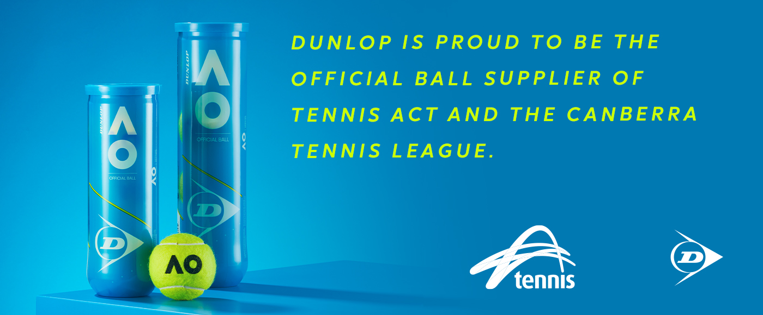
CLUB/COACH DETAILS |  | 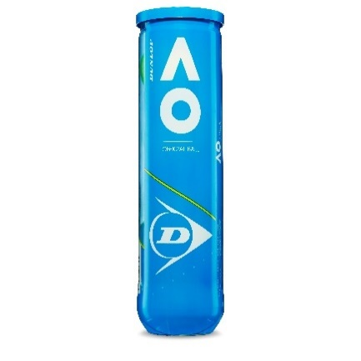
Club/Coach Name
Contact Person
Email
Phone
Note: Once the order is submitted, the club will receive a notification within 24hr with instructions for how to redeem the deal. AO 4-ball cans only. Payment made to the retailer.

